mixed Intg PL
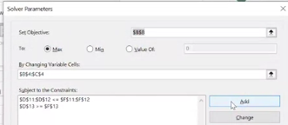
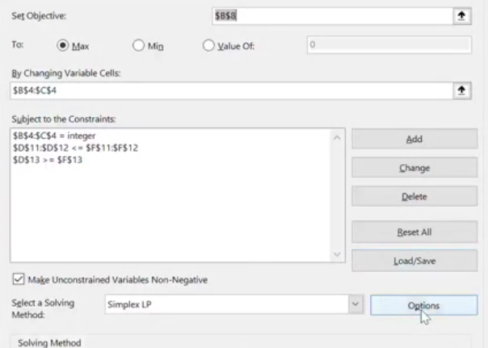
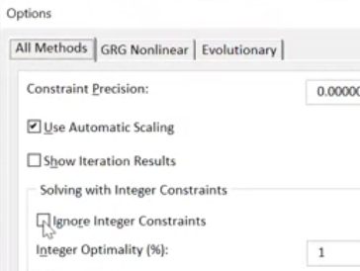
 | Max audience adds | others timetable adds |  |  |  | 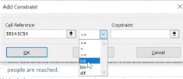
Variable | 4 | 1 | PROBLEM! Warning , do not round your answer!!
 | 8200 | 5100 | modify in solver:

Objetive: |  |  |  |  |  |  | *put again the reference cells of my variantes cells
Max audience: | 37900

 | Max audience adds | others timetable adds | Contrainst:
Cost | $390 | $240 | 1800 | <= | 1800
 |  |  | 4 | >= | 2 |  |  | *HAS TO BE WITHOUT STICK!
 |  |  | 1 | <= | 6

binary example investment
Investment decision binary:
When you can resolve the question with yes or not.
Binary: 0 or 1
0=no
1=yes

Variables: | Trans-Texas Oil | British Petroleum(BP) | Shell holandesa | Houston Dilling | Petróleo de Texas | Petróleo de San Diego | California Petro
(0;1) | 0 | 0 | 1 | 1 | 1 | 1 | 0
 | 50 | 80 | 90 | 120 | 110 | 40 | 75
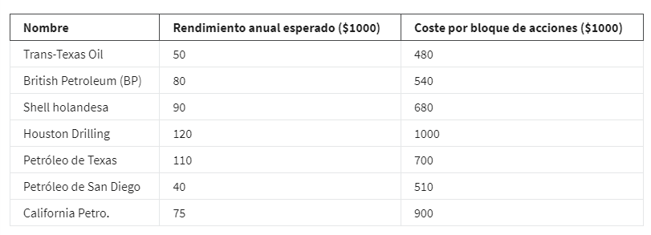
Objetive:
Max Performance: | 360

Contraints: |  |  |  |  |  |  |  |  | sign
At least 2 Texas Co. | 1 |  |  | 1 | 1 |  |  | 2 | >= | 2
No more than 1 foreing Co. |  | 1 | 1 |  |  |  |  | 1 | <= | 1
Buy 1 of California shares(acciones) |  |  |  |  |  | 1 | 1 | 1 | = | 1
Budget (presupuesto) | 480 | 540 | 680 | 1000 | 700 | 510 | 900 | 2890 | <= | 3000

binary example

Variables: | L1 | L2 | L3 | L4 | L5 | L6
 | 1 | 1 | 0 | 0 | 0 | 1

nor-linear variance
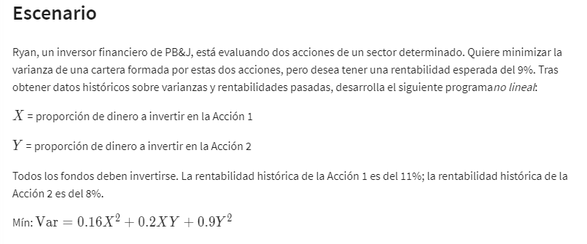
 | X | Y
Variable: | 93% | 7%

Non linear vans:
 | x^2 | XY | Y^2
Formulas: | 0.86533262787 | 0.06489995159 | 0.0048674967067
 | =B2^2 | =B2*C2 | =C2^2
 | 0.16 | 0.2 | 0.9

Objetive (min):
Variance (riesgo): | 0.15581395781 | =SUMAPRODUCTO(B6:D6;B8:D8)

Constraints: |  |  | LHS | sign | RHS
 | 1 | 1 | 100% | = | 100% | =SUMAPRODUCTO($B$2:$C$2;B15:C15)
Historic.rentab % | 11% | 8% | 11% | >= | 9% | =SUMAPRODUCTO($B$2:$C$2;B16:C16)

nor-linear example
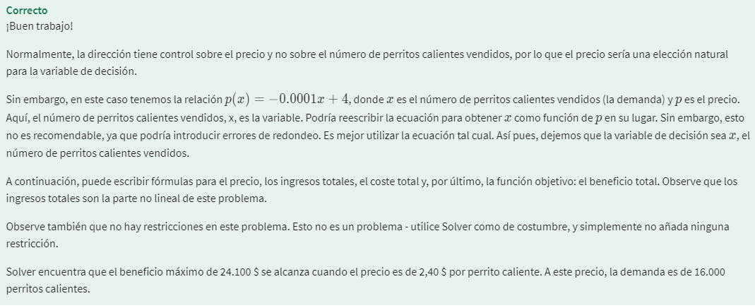
 | X | *X= Nº de perritos calientes vendidos
Variable: | $3.00 | 4-.0001X
 | $2.50

Objetive:
Max revenue: | $4.00
 | p(X)=-0,0001X+4

Contraints: |  | LHS | sign | RHS
Variable costs | $0.80

